1. Dashboard
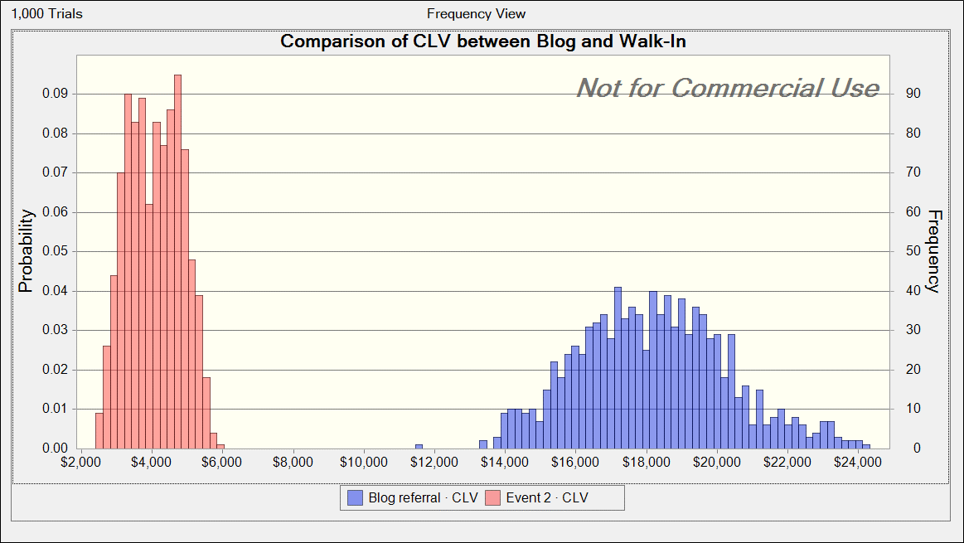
Dashboard | Customer Lifetime Value
 |  |  |  | Which assumption is the CLV most sensitive to?
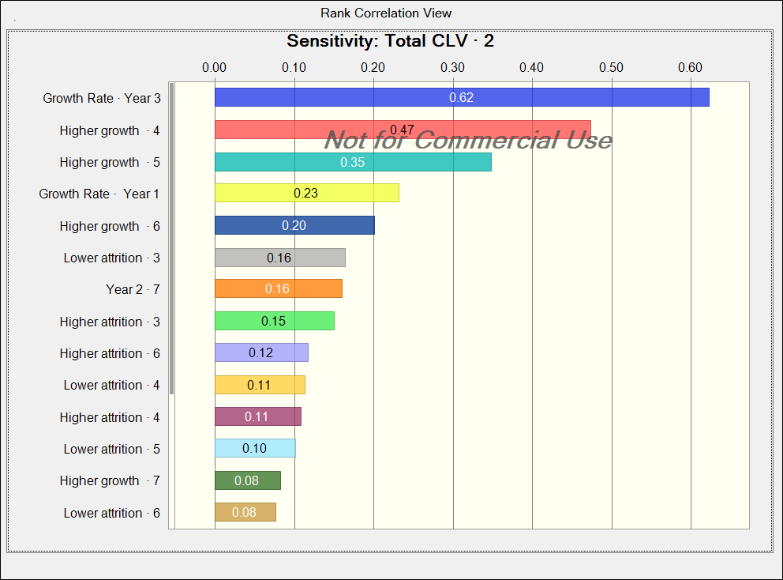
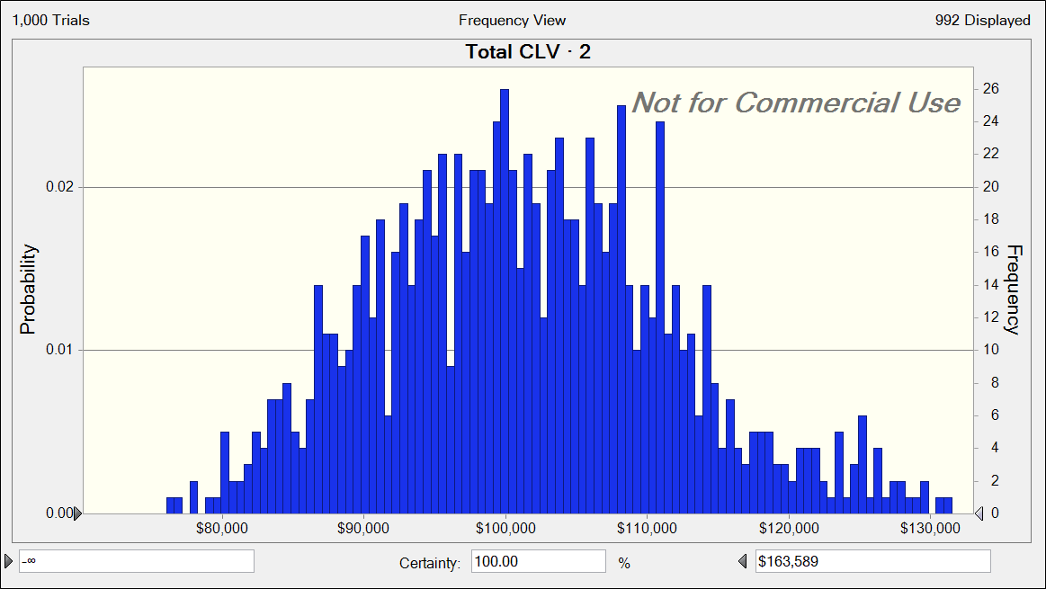
 |  | Forecast: Total CLV · 2
 |  | Statistic | Forecast values
 |  | Trials | 1,000
 |  | Base Case | $102,174
 |  | Mean | $101,565
 |  | Median | $100,902
 |  | Mode | '---
 |  | Standard Deviation | $10,684
 |  | Variance | $114,152,714
 |  | Skewness | 0.3604
 |  | Kurtosis | 3.13
 |  | Coeff. of Variation | 0.1052
 |  | Minimum | $69,365
 |  | Maximum | $137,886
 |  | Mean Std. Error | $338

